General Tailoring
 | RCC-319 Untailored |  |  |  |  | Status (C=compliant, T=tailored, N/A=not applicable, I=information) | RCC-319 Proposed Tailoring | Rationale | Range Approval
 | CHAPTER 1 - INTRODUCTION
 | 1.1 Background
 |  | The Flight Termination System (FTS) Standard. In an effort to establish a set of common design and testing requirements for programs launching from multiple ranges, several key organizations have worked together and set forth this standard to assist the Range Users in the development of flight termination systems (FTSs). These organizations include the major Department of Defense (DoD) test ranges, Department of Energy (DOE), Federal Aviation Administration (FAA), and National Aeronautics and Space Administration (NASA) launch and test facilities.
 |  | 1.1.1 Terms and Use of This Document. For purposes of this document, the following applies:
 |  |  | a. A flight termination system (FTS) terminates the flight of a vehicle.
 |  |  | b. A flight safety system (FSS) is a range safety tool used to reduce the overall risk of a mission to an acceptable level. An FSS consists of an FTS, a method to track the vehicle, and a method to receive status data from the vehicle. The FSS may also contain a method to input commands into the vehicle’s flight control system, and place the vehicle into a recovery mode.
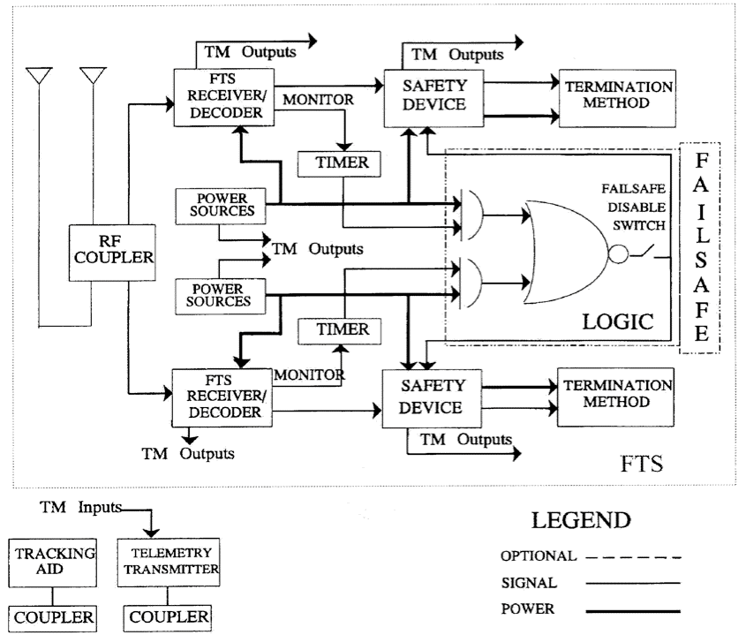

 |  |  | Figure 1 1. Typical Flight Safety System with Flight Termination System
 |  |  | c. This standard only applies if the Range Safety Office (also referred to herein as “Range Safety”) determines that an FTS is required.

 |  | 1.1.2 Mandatory Systems Testing. Individuals who use the ranges (referred to herein as “Users” or “Range Users”) are cautioned to make provision for the mandatory system testing and monitoring functions as specified herein. Users are strongly urged to coordinate with the Range Safety personnel as early as is practical to ensure proper recognition and interpretation of these requirements.
 |  | 1.1.3 Flight Safety System (FSS) Requirements. The FSS requirements established in this document do not negate, supersede, or include other range requirements such as ground safety.

 |  | 1.1.4 Organization of This Document.The chapters of this standard address different phases in the development and approval process: requirement generation, development, design, testing, analysis, and documentation.
 |  |  | a. Open Text. The open text contains the mandatory performance-based requirements. Normally, the only tailoring expected for these requirements would be the deletion of non-applicable requirements. Due to the wide range of vehicles and FTS systems that this standard covers it is understood that there may be open-text requirements that are not appropriate for a particular system. These requirements may be tailored as long as an appropriate evaluation is performed and documented that demonstrates an equivalent level of safety (ELS) to the original open-text requirement. The tailored requirements must be approved by Range Safety.
 |  |  | b. Text Boxes. Text box paragraphs demonstrate the detailed solution that meets the required parent performance requirement. These text box paragraphs contain lessons learned from previous applications of the performance requirement, where a certain design may have been found successful, or have been tried and failed to meet the requirement. These detailed solutions may be tailored or replaced with other solutions that meet the parent performance requirement as long as Range Safety agrees that the performance requirement is met with the alternative solution. Note, unless specifically tailored by Range Safety, these detailed text box paragraphs are required. (1) These technical solutions are provided for the following reasons:
 |  |  |  | i. To aid the tailoring process between Range Safety and Range Users in evaluating a potential system against all performance requirements.
 |  |  |  | ii. To aid Range Safety and Range Users in implementing lessons learned.
 |  |  |  | iii. To provide benchmarks or a standard that demonstrate what Range Safety considers an acceptable technical solution/implementation of the performance requirement.
 |  |  |  | iv. To help convey the level of safety the performance requirement is intended to achieve.
 |  |  | (2) The technical solutions in the text box paragraphs may be adopted, modified, or replaced with another solution. This process accomplishes the following.
 |  |  |  |  | i. Provide an appropriate level of detail necessary for contractual efforts
 |  |  |  |  | ii. Promote efficiency in the design process.
 |  |  |  |  | iii. Avoid contractual misunderstandings that experience has shown often occur if an appropriate level of detail is not agreed to. The level of detail in the text box paragraphs is necessary to avoid costly out-of-scope contractual changes and to prevent inadvertently omitting a critical technical requirement.
 |  |  |  | (3) The range user always has the option to propose alternatives to the solutions presented in the text boxes. Proposed alternative solutions by the range user shall achieve an ELS and must be approved by Range Safety.
 |  |  |  | (4) Range Safety has final decision authority in determining whether Range User proposed detailed technical solutions meet any performance requirements.
 |  |  | c. NOTE Boxes. These NOTE box paragraphs contain non-binding advice. NOTE box paragraphs are not requirements or solutions.
 | 1.2 Basis of Authority
 | The authority for this standard includes the following:
 |  | a. Department of Defense Instruction 3200.18 establishes the requirements for the management and operation of Major Range and Test Facility Bases (MRTFBs) and assigns safety responsibilities to the range commander.
 |  | b. NASA Procedural Requirement NPR 8715.5 establishes safety responsibility for all NASA activities. This document assigns the flight safety responsibility to the Center Director.
 |  | c. The FAA establishes its safety requirements for commercial launches through 14 CRF 450.
 | NOTE: The responsibilities identified in this section cannot be transferred to the range user or to another test range. Consequently, while establishing common agreements and practices among all the test ranges, Range Safety personnel at each affected range are delegated with the responsibility to enforce the established safety policies of their respective commanders, even if the policies are unique to their range.

 | 1.3 Scope
 | The scope of this document specifies minimum design, analysis, test, inspection, and data requirements for airborne and ground support equipment (GSE). These requirements have been shown to ensure a minimally acceptable level of safety and reliability during installation, test, and flight of the airborne FTS. For the purposes of this document MRTFB activities may be considered any of those conducted at NASA, DOE, and joint-use (Government and commercial) facilities and ranges. The following guidance applies.
 |  | a. There is no RCC commonality document for ground operations safety. Ground safety operations shall be determined uniquely by each range. The FTS design requirements established in this document do not negate, supersede, or include other range requirements such as ground or system safety.
 |  | b. Tracking and telemetry (TM) top-level safety performance requirements are contained in the latest released version of RCC 324. Though RCC 324 is primarily intended for global positioning systems (GPSs) and inertial navigation systems (INSs), the system performance requirements shall be used for all tracking sources.
 |  | NOTE: | The RCC 324 document contains GPS and TM inertial guidance requirements. If a C-band beacon is used as a tracking source, beacon requirements shall be tailored into the program RCC 324 requirements
 |  | c. The FTS shall be effective throughout the portion of flight for which the Range Safety Office has safety responsibility.

 | 1.4 Acceptability at any Range Within the Major Range and Test Facility Base (MRTFB)
 |  | This document is intended to provide a common set of FTS requirements that can be used at MRTFB ranges.
 |  | 1.4.1 Multiple Ranges If a program intends to operate on multiple ranges, all affected ranges shall be involved in the tailoring of this document. A RCC 319 document tailored by one range, or group of ranges, will not be automatically approved on another range not involved in the tailoring process. A range not involved in the tailoring process may reinstate the original requirements.
 |  | 1.4.2 Untailored RCC319 Adherence to the requirements stated in this document will produce an airborne system that can be flown at any MRTFB without modification or retest provided the flight vehicle and environment are identical to those used for the initial qualification.
 |  | 1.4.3 Adherence to the requirements stated in this document should produce an airborne system that can be flown at any MRTFB without modification or retest provided the flight vehicle and environment are identical to those used for the initial qualification.
 |  | 1.4.4 Adherence to the design requirements, including untailored bordered paragraphs, stated in this volume, plus testing in the specified manner, produces a hardware design that can be flown at any range without modification or retest provided the flight vehicle and environment are essentially identical to those used for the initial qualification. If modification is made to the qualified flight vehicle or Flight Termination System (FTS)/Flight Safety System (FSS) design, a review by the Range Safety Office of each affected launch range is mandatory and determines whether additional testing or FTS/FSS design modification is required before any flight of the modified vehicle.

 | 1.5 Lead Range Safety Office (LRSO)
 | For programs that launch from multiple ranges, the Range User is responsible for keeping each Range Safety Office informed about any changes that affect the FTS. The LRSO will be responsible for coordinating administrative functions such as schedules and meetings with the Range Safety personnel at other ranges. The LRSO does not have the authority to accept/reject a design, request, etc., for another activity Commander. In this document, “approval of Range Safety” implies that a coordinated approval of all participating ranges has been orchestrated by the LRSO.
 |  | 1.5.1 LRSO Appointment. The ranges, not the Range User, shall designate the LRSO.
 |  | 1.5.2 Responsibility. The responsibility of the LRSO is to coordinate a response to the Range User on a particular issue or question. The LRSO will seek to provide a joint response from among the ranges. However, each range is autonomous in the area of range safety. It may be the case that a particular issue or question will yield different answers or requirements especially in missile readiness checks and day-of-test operational requirements.
 |  | 1.5.3 Authority. The LRSO does not have the authority to speak for all ranges without first obtaining a coordinated response.

 | 1.6 Operational Constraints
 | Users are cautioned that ground and flight operational constraints may vary from range to range. Therefore, what is an acceptable operation on one range may not be permitted on another.
 |  | 1.6.1 FTS Operational Control.
 |  |  | a. The control of the flight termination system (FTS) falls under the purview of each affected test range. Therefore, the control of the FTS will be the responsibility of affected Range Safety personnel unless specifically waived by the affected range.
 |  |  | b. Control of the FTS includes every aspect of powering up, powering down, activation of signals, and any form of real-time testing of the FTS during the on-range missile assembly and readiness process through final countdown and launch. The FTS control consoles will be controlled by Range Safety personnel to include key control (if applicable) and safety interlocks.
 |  |  | c. Range Safety personnel shall physically operate FTS control consoles during the launch countdown process at the prerogative of the affected test range. No actions involving the activation of the FTS may be taken by the Range User unless approved by Range Safety personnel.
 |  | 1.6.2 Range Approval Process. The approval process includes the following:
 |  |  | a. Identification of program requirements.
 |  |  | b. Tailoring of RCC 319 (Chapter 2)and documentation and approval of any ELS certifications.
 |  |  | c. Development of any waiver requests for requirements in the tailored RCC 319 that cannot be met. The requirement for which the waiver is being written will be retained in the tailored RCC 319.
 |  |  | d. Design of FTS to the tailored requirements and support of design reviews (Chapter 3).
 |  |  | (1) System Requirements Review (SRR) shall provide a program’s system requirements.
 |  |  | (2) Preliminary Design Review (PDR) shall provide detailed subsystem and component design. New components shall have an individual PDR.
 |  |  | (3) Critical Design Review (CDR) shall provide the final subsystem and component design and test requirements. Design shall be placed under configuration control after CDR. New components shall have an individual CDR.
 |  |  | e. Testing of FTS components (Chapter 4).
 |  |  | f. Vehicle assembly, FTS subsystem/system testing, countdown and post-flight (see Chapter 5).
 |  |  | g. Final FTS approval through the Flight Termination System Report (FTSR) (Chapter 7), analysis (Chapter 6), and testing (Chapters 4 and 5).
 |  |  | h. Documentation and approval of any waivers.
 |  | NOTE: “Planning and Executing a Successful Flight Termination System Acquisition” guide is located in Appendix D.
 |  | 1.6.3 FTS Frequencies.
 |  |  | a.General. 421 MHz, 425 MHz, and 428 MHz are currently common FTS frequencies for all ranges; however, there may be exceptions and operational constraints on some ranges for use of these frequencies. The use of any specific frequency must be coordinated with the affected range.
 |  |  | b.Frequency Assignment. The ranges, not the range user, shall specify the appropriate FTS frequency. The FTS operating frequency will be assigned by the LRSO after coordination with all the other affected ranges.

 | 1.7 Procurement of FTS-Peculiar Test Equipment
 |  | a. The range user shall provide or fund for the procurement of any special instrumentation or hardware to test the FTS.
 |  | b. The range user shall provide or fund for the procurement of any special FTS control panels and TM-monitoring instrumentation if the test range does not have such instrumentation in place to support the program..

 | 1.8 Tailoring
 | Requirements shall be tailored by agreement between the Range User and all Range Safety Offices involved using the process in Chapter 2. The process will include the following:
 |  | a. It is the responsibility of the Range User to ensure that the tailoring encompasses all of the participating ranges. Ranges that were not involved in the original tailoring of the requirements have the right to restore the requirements of this volume for any program wishing to conduct flight tests or operations at these ranges.
 |  | b. The tailoring is a continuing process throughout all phases of acquisition, including the Request For Proposal (RFP), pre-bid conferences with bidders, concept technical interchange meetings (TIMs), preliminary design reviews (PDRs), etc.
 |  | c. Tailoring agreements and the design/test/inspection concepts upon which the tailoring is based shall be formally documented including approval signatures. Compliance to the tailoring shall be mandatory.
 |  | d. It is the intent of the tailoring process to develop a document that is placed on the Range User’s contract, where applicable. In the absence of any tailoring, all text box solutions as written shall be required. For contractual purposes, Range Safety determines whether a recommended solution meets a performance requirement. Text box solutions may be mandated by Range Safety.
 |  | e. The tailoring processes in SSCMAN 91-710, Volume 1 shall also be followed.

 | 1.9 Waivers and ELS Certifications
 |  | 1.9.1 General Information. Waivers document noncompliance with one or more performance requirements. These noncompliance(s) pose significant risks to mission personnel or public safety.The ELS certifications document non-compliance with one or more performance requirements that’s an insignificant increase in risk to mission personnel or public safety. Waivers and ELS certifications may have either limited or lifetime effectiveness.
 |  |  | a. Limited Effectiveness. Time-limited waivers are set for a limited period of time or a limited number of flights/launches. The time constraint is normally determined as a function of cost, impact on schedule, and the minimum time needed to satisfactorily modify or replace the non-compliant item.
 |  |  | b. Lifetime Effectiveness. Lifetime waivers are undesirable and shall be limited to those situations where it is practically impossible to meet the requirement. These waivers shall be reviewed for each flight/launch to ensure that rationale for their acceptance remains valid.

 |  | 1.9.2 Submitting Waivers and ELS Certifications The Range User shall submit adequate justification for waivers and equivalent level of safety (ELS) certifications from these requirements to those ranges originally involved. Additionally, at SSC ranges, the waiver and ELS processes in SSCMAN 91-710, Volume 1 shall be followed. All waivers shall be approved by all Range Safety Offices involved. Ranges that were not involved in the original process have the right to restore the requirements of this volume for any program wishing to conduct flight tests or operations at these ranges.
 |  | 1.9.3 Supporting data Supporting data for a waiver or ELS certifications request must include:
 |  |  | a. A statement of the technical or other requirements that make the waiver necessary.
 |  |  | b. a discussion of the effect on FTS performance functions if the waiver or ELS certification is granted;
 |  |  | c. a discussion of the effect on the program if the waiver or ELS certification is not granted;
 |  |  | d. A detailed description of the proposed flight tests or operations.
 |  |  | e. A detailed description of rationale for acceptance and any mitigating factors.
 |  |  | f. a get-well plan to meet the requirements in question by the time the approved waiver/ELS effectiveness expires.

 | 1.10 Grandfathering
 |  | Previously approved FTS components and systems are grandfathered and are not required to meet any subsequent versions of this document unless one (or more) of the following applies:
 |  |  | a. The Range User obtains a new component or system due to parts obsolescence or economic feasibility.
 |  |  | b. The launch vehicle system, FTS component location, or environment is modified to the extent that Range Safety considers it a new program.
 |  |  | c. A previously unforeseen or newly discovered safety hazard exists that is deemed significant enough to warrant the change. This category includes components and systems that were previously approved but the noncompliance was not identified.
 |  |  | d. Accident and incident investigations and reports dictate compliance to this document.
 |  | Grandfathering is only applicable to the range or ranges that originally approved the system.

 | 1.11 Range User Provided Hardware
 | The Range User may be required to provide FTS components to Range Safety to support prelaunch and range activities. The requirement to provide this hardware will be determined by each individual range on a case-by-case basis. The range user shall coordinate this requirement with each RSO.
 |  | 1.11.1. Note: The Range User may be required to provide a flight-configured flight termination receiver (FTR) for compatibility test between the range transmitters and the FSS components on launch vehicles.
 | 1.12 | Responsibilities and Authorities
 |  | 1.12.1 | Range Commanders Range commanders are responsible for the following
 |  |  | a. Serving as final authority and responsibility for safety at the launch range;
 |  |  | b. Implementing the requirements of this volume and handle non-compliances as they apply to range user programs on their range.
 |  | 1.12.2 | Range Users Range users are responsible for the following:
 |  |  | a. Meeting the requirements of this standard when launching vehicles from multiple MRTFBs
 |  |  | b. Meeting local range safety requirements for vehicle, payload systems, and ground safety equipment designs
 |  |  | c. Submitting FSS design and test documentation in a timely manner.
 |  |  | d. Notifying Range Safety of meetings, design reviews, tests, and installation of the FSS on the vehicle at least 30 calendar days in advance to allow sufficient time to review documentation, design material, and test plans to provide meaningful comments and recommendations. The 30-day constraint applies if travel is required by range personnel. If no travel is required and the subject is a near-term flight constraint or other emergency issue, the meeting may be scheduled as required. It is important to note that FTS approval cannot be granted unless Range Safety is fully aware of all aspects of the FTS.
 |  |  | (1) Meetings or tests shall not be conducted without Range Safety or a designated representative in attendance unless otherwise approved by Range Safety.
 |  |  | (2) A schedule shall be submitted to Range Safety that includes estimated start and completion dates for each task or related sequence of events, including estimated dates for important reviews such as PDR, CDR, and first use of the vehicle at any MRTFB.
 |  |  | e. Ensuring FTS compatibility with the local range ground support and monitoring equipment.
 |  | 1.12.3 | RSO Responsibilities
 |  |  | The RSO is responsible for the following:
 |  |  | a. reviewing and approving the conceptual design, detail design, and test requirements for the FSS;
 |  |  | b. resolving problems associated with the design, installation, checkout, and use of the FSS;
 |  |  | c. reviewing and recommending action on all non-compliances;
 |  |  | d. attending design reviews, procedure reviews, system safety meetings, and other meetings and monitoring tests conducted on any FSS component or system, including installation of such components on launch vehicles.

 | CHAPTER 2 - TAILORING
 | 2.1 Tailoring Overview
 | A tailored version of RCC 319 shall be developed by the affected RSOs for a specific program with the participation of the range user. To tailor the document, the following steps are to be taken.
 |  | a. Delete requirements that do not have any relation to or bearing on the affected system. Major paragraph numbers and titles of deleted requirements shall be retained followed by an annotation of Not Applicable, N/A, or other such notation. These paragraph numbers are retained in order to maintain the original paragraph numbering for the document. The paragraph numbers and titles of any subparagraphs of a deleted requirement do not need to be retained.
 |  | b. Develop new requirements or rewrite existing requirements for new technologies and unique applications.
 |  | c. Document in text boxes the specific solution that will be used to satisfy any performance requirement.
 |  | d. Begin new designs or tests for specific components only after applicable tailoring for that item has been completed.

 | 2.2 Tailoring Process
 |  | Step 1. An initial technical interchange meeting (TIM) is required that describes in detail the type of test planned at each range, the vehicle configuration, and proposed FTS component and system design.
 |  |  | a. This TIM is necessary to identify the baseline for which tailoring can be performed and to identify all the ground rules.
 |  |  | b. The ground rules used for tailoring shall be included at the beginning of the tailored document.
 |  |  | c. Tailoring should begin at the earliest opportunity (preferably at the conceptual stage prior to contractual obligation), and finish before the system critical design review.
 |  | Step 2. A line-by-line assessment is performed with all applicable Range Safety organizations available. This assessment may include component vendors. Range Safety has final authority on disposition and interpretation of requirements. This process is often facilitated by the use of a computerized projection system where all parties can review and approve changes in real-time.
 |  |  | a. Each performance requirement and corresponding test/analysis requirement in the original document shall be documented as Not Applicable (N/A) or Applicable.
 |  |  |  | (1) Requirements that do not apply shall be deleted and replaced with an N/A.
 |  |  |  | (2) Requirements that are not annotated shall be considered applicable as written.

 |  |  | b. Applicable requirements outside a text box that cannot be strictly met by the range user may be modified under certain conditions. The range user may propose a modification to the requirement so long as compliance with the modified requirement does not result in a significant increase in risk to personnel or property over what would have resulted from the original requirement. Justification for approval of the modified requirement with supporting data and analyses required by Range Safety will be submitted to Range Safety for evaluation. Approval will result in an ELS certification from Range Safety after which the modified requirement and an associated rationale may be included in the tailored RCC 319.
 |  |  | c. Text box paragraphs can be rewritten as necessary to document the specific technical solution that shall be used to meet the parent performance requirement. The technical solutions in the text box paragraphs may be adopted, modified, or replaced with another solution. Changing the text box requirements may not require justification as long as the rewritten solution meets the parent performance requirement.
 |  | Step 3. The tailored version of the document is denoted as RCC 319 [T-program name] or other such designation as required by agency or range policy and placed under configuration control. The tailored document is a living document and may change as the program matures.
 |  |  | a. Page headers shall incorporate the title of the program, version number, and date.
 |  |  | b. Often, the Range User may agree to certain requirements at the beginning of the program only to discover that conditions or assumptions have changed requiring a reassessment of the tailored requirement.
 |  |  | c. This process allows the Range User to develop some baseline requirements before detail knowledge is known about their system with the understanding that the requirements or solutions can be reassessed as conditions change or information becomes available.
 |  |  | d. Any change must be documented and approved by Range Safety.

 | CHAPTER 3 - COMMON FTS SYSTEM AND COMPONENT PERFORMANCE REQUIREMENTS
 | 3.1 FTS Functional Requirements
 | When initiated, by command or other means, an FTS, shall perform the following:
 | In addition to disabling thrust, the goal of the FTS is to result in a termination action that minimizes the debris footprint. The FTS shall minimize significant lateral or longitudinal deviation in the impact point.
 | 3.1.1 |  | All Vehicle Types
 |  | a. Ensure the flight-terminated vehicle’s debris impact, resulting from residual lift or drift under worst-case wind conditions, will not endanger any protected area. When termination is initiated, it shall be irrevocable.
 |  | b. Render each propulsion system that has the capability of reaching a protected area incapable of propulsion. This includes each stage and any strap on motor or propulsion system that is part of any payload.
 |  | c. Terminate the flight of any inadvertently or prematurely separated propulsion system capable of reaching a protected area.
 |  | d. Destroy the pressure integrity of any solid propellant system and terminate all thrust or ensure that any residual thrust causes the propulsion system to tumble without significant lateral or longitudinal deviation in the impact point.
 |  | e. Disperse any liquid propellant, whether by rupturing the propellant tank or other equivalent method. Shutdown and/or parachute systems may be used in lieu of rupturing propellant tanks if the risk posed by an intact impact is acceptable. Determination of shutdown-only systems will be range and vehicle dependent.
 | NOTE: The design goal is to initiate burning of any toxic liquid propellant.
 |  | f. Result in aerodynamic control surface manipulation that makes a vehicle unable to glide or auto-rotate. These types of termination systems shall demonstrate that any residual lift or drift under worst-case wind conditions will not result in the flight-terminated vehicle from endangering any protected area.
 | NOTE: For aeronautical systems, employing aerodynamic control surface manipulation to cause the vehicle to depart from controlled flight may be more desirable than using explosives.
 |  | g.The FTS terminate action shall not detonate solid or liquid propellant.
 |  | h. The termination action shall ensure that solid rocket motor propellant is fractured into small enough fragments to prevent unacceptable personnel risks due to blast effects upon ground detonation.
 |  |  | NOTE: Some solid-propellant formulations (e.g., double-base composites like DDP-70 and cross-linked polyethylene glycol high-energy formulations) are sensitive to shock and have the potential to detonate or explode on impact with the ground following a flight termination. For this reason it is important to break up the propellant to reduce the probability of ground impact detonation.
 |  | i.For multiple-stage vehicles, the flight termination of one propulsion system shall not interfere with the flight termination of any other propulsion system.

 |  | 3.1.2 Manned Vehicles In addition to the requirements in Subsection 3.1.1, the FTS requirements for manned vehicles shall also include the following.
 |  |  | a. The powered portion of a manned vehicle shall comply with all requirements of this document.
 | NOTE: When the manned portion is an integral part of the vehicle, then the requirements for FTS will be handled on a case-by-case basis.
 |  |  | b. If manned vehicles are flown unmanned, all requirements of this document shall be met.
 | Additional FTS requirements for manned vehicles:
 | 1. The effect of abort action on engine shutdown shall be approved by Range Safety.
 | 2. Time delays between engine shutdown and FTS action required for crew escape shall be provided by the Range in the ground equipment. The extent of these delays shall be determined by vehicle parameters, the type of escape system, and the degree of hazard presented to public safety.
 | NOTE: Payloads and their booster stages transported on or within a manned portion of a vehicle will be evaluated by Range Safety to determine the need for an FTS.
 | 3.1.3 | Re-entry Vehicles (Including Stage[s] Recovery Softlanding on Land or Ship, Excluding Warheads) In addition to the requirements in Subsection 3.1.1 and Subsection 3.1.2, the FTS requirements for re-entry vehicles (RVs) shall include the following.
 |  |  | NOTE: When applying the requirements of this document, the term "flight" shall include the re-entry and landing phases for vehicles that will reenter the atmosphere. Also, with regard to RVs, the word “termination” in FTS includes both destructive and non-destructive means to control hazards.
 |  | a. An FTS determination analysis shall be performed for payloads and upper stages of expendable launch vehicles during ascent. It will determine whether an FTS, and what type of flight termination action, is required on any stage of an RV for the ascent and re-entry phases of flight.
 |  |  | NOTE: The re-entry FSS, through ground command or other Range Safety-approved method, shall maintain positive control of the RV from de-orbit initiation of a planned, contingency, or emergency abort flight condition and throughout the full period of Range Safety responsibility.
 |  | b. | For re-entry, the RV will be required to have an FTS designed with the purpose of placing the vehicle into a zero-lift/zero-thrust ballistic re-entry state and mitigate the consequences of any impact to the maximum extent practicable. Consequence mitigation may include dispersing large quantities of liquid propellants if on board, fragmenting solid propellants to eliminate or mitigate explosive potential on impact, and breaking up components to maximize aero-thermal demise. The reentry flight safety system, through ground command or other range safety approved method, shall maintain positive control of the RV from de-orbit initiation of a planned, contingency, or emergency abort flight condition and throughout the full period of Range Safety responsibility as identified in Flight Analysis chapter in SSCMAN 91-710, Volume 2.
 |  | c. | An RV FTS may be a command system or another Range Safety-approved system.
 |  | d. | Re-entry and landing-phase FTSs may include any system that will reduce the risk to the public to acceptable levels. Any vehicle system, such as a parachute or aerosurface controller that is used to perform an FTS function, shall meet FTS requirements.
 |  | e. | In order to protect the public in the event of a vehicle failure, FTS components shall be designed to survive and function properly in the vehicle-induced maximum predicted environment (MPE), plus a margin, over the entire timeframe of the mission. The MPE shall, at a minimum, consider shock, vibration, thermal range, rate of heating, space-based radiation, corona effects, vacuum, and acoustics.
 |  | f. | A TM, autonomous, or other system shall be designed to provide verification to Range Safety that vehicle range safety requirements are met so that it is safe to proceed with the re-entry phase of flight. This TM shall include any data needed to indicate whether any RV system critical to safe re-entry and landing is no longer capable of functioning such that it poses an unacceptable risk to the public. (This data will be used to decide whether re-entry should or should not be initiated or be planned and executed so that the RV will impact in the safest possible area.)
 |  | g. | A TM, autonomous, or other system shall be designed to provide verification to Range Safety that the re-entry FTS has been enabled. (This verification is required prior to allowing the initiation of re-entry.)
 |  | h. | All FTSs that employ explosives or other hazardous systems must have a safe-and-arm (S&A) device (SAD) that can be placed in the safe position and its status verified for mission periods when it is not needed and after landing.
 |  | i. | An RV that could return with a payload (either intentionally or unintentionally) shall be evaluated for the need for a payload FTS.
 |  | j. | Any FTS components intended to be reused from flight to flight shall be designed to withstand the intended number of mission cycles and environments, plus margin, and still meet its performance requirements.
 |  |  | · Instrumentation shall be used to validate FTS component flight environments.
 |  |  | · All FTS components shall be designed to allow for the following testing.
 |  |  | o Components shall pass recertification tests between flights that may require them to be designed to be easily removed.
 |  |  | o An acceptance test or a range-approved modified acceptance test plus an end-to-end test shall be used for recertification.
 |  |  | · If a component cannot be tested between flights it shall be replaced between flights, unless it can be demonstrated that it will function properly for N number of flights without degrading the FTS system reliability of 0.999 at a 95% confidence level. (N is the number of mission cycles, including tests and handling, that an FTS component has been designed to withstand and still meet its performance and reliability requirements.)
 |  | k. | If flight data indicates that any FTS components are exposed to environments higher than predicted, the design of those components shall be re-qualified to the revised qualification levels incorporating the new maximum predicted environment (MPE). Additionally, acceptance testing shall be adjusted to incorporate the new MPE.

 | 3.2 FTS Design
 |  | 3.2.1 Margins Design margins shall be sufficient to allow a component, subsystem or system to meet all required performance requirements when subjected to nominal/errant flight environments, worst-case test tolerances, aging effects, small sample sizes, unit-to-unit performance variability, flight environment uncertainty and vehicle monitoring system tolerances. Range Safety shall have final determination of the required margin for each vehicle application. Margins shall also include minimum workmanship screening levels to ensure that flight hardware is free of manufacturing defects.
 | Test margins shall account for test equipment and vehicle monitoring and TM tolerances.
 | NOTE: The performance requirements in this document contain margins based on lessons learned from numerous nominal and errant vehicle flights from all MRTFBs. In general, meeting these RCC 319 margins satisfies the margin requirement. Margins occurring in a text box may be reduced or increased depending on the specific component and vehicle application.
 |  | 3.2.2 Reliability Prediction An FTS shall have a statistically predicted reliability with a 95% single-sided lower confidence boundary of at least 0.999. This statistically predicted reliability shall also apply when phrases such as “a reliability of 0.999 at the 95% confidence level” appear in other sections of this document. A range user shall establish the predicted reliability of the system by satisfying the requirements for system reliability analysis. Note: Point estimates of reliability must be higher than 0.999 to meet this requirement.
 | 1. The number of FTS components and piece parts shall be kept to an absolute minimum.
 | 2. The TERMINATE command output signal from the FTR shall be designed to go directly to FTS arming devices.
 | 3. The reliability will be considered met through compliance with this document, which incorporates the following: -performance oriented design requirements for components, -comprehensive qualification and acceptance testing of components and -preflight confidence tests of the entire system to ensure the system’s reliability.

 |  | 3.2.3 Redundancy An FTS, including monitoring and checkout circuits, shall not have a single failure point capable of the following::
 |  |  | a. Inhibit functioning of the system during the Range Safety responsibility portion of flight. Single-fault tolerance includes maximum achievable physical separation (e.g., 180-degree separation of two redundant components) to ensure FTS survivability as described in Subsection 3.2.4.
 | 1. Single fault tolerance shall be met using redundancy except for:
 |  | a. Any passive component such as an antenna or radio frequency (RF) coupler.
 |  | b. A non-redundant destruct/terminate charge (if specifically approved by Range Safety).
 | 2. A non-redundant destruct/terminate charge shall initiate at both ends by separate initiation sources.
 | 3. There shall be one dedicated power source for each redundant leg of the FTS.
 | 4. Single-fault tolerance includes separate cables and connectors.
 | 5.An FTS employing fail-safe technology, shall have separate systems (e.g. batteries/power transfer circuits) to service each FTS string. Fail-safe systems may include batteries/transfer switches for power dropout and heartbeat fail-safe system.
 |  |  | b. Produce an inadvertent initiation of the system that creates an unacceptable safety risk.
 | 1. 1. Single-point failures that may result in an inadvertent termination shall be analyzed to ensure that initiation does not affect personnel safety or resource protection..
 | 2. Single-point failures that may res.ult in an inadvertent termination must be formally accepted by the range user for mission risk.

 |  | 3.2.4 Survivability
 |  |  | a. The FTS shall be designed to meet the reliability requirements during nominal flight, errant flight, or vehicle breakup. This survivability includes protection against vehicle-induced environments, fratricide between FTS components, and events that could allow the vehicle to continue flight while disabling the FTS.
 | 1. An FTS shall use physically redundant components that are structurally, electrically, and mechanically separated. The mounting of each redundant component on a vehicle, including location or orientation, shall ensure that any failure that will damage, destroy or otherwise inhibit the operation of one redundant component shall not inhibit functioning of the system.
 | 2. Physically redundant components shall be mounted in different orientations on different axes where technically possible.
 | 3. Tactical and aeronautical applications may not require physical redundancy depending on unique vehicle configurations and breakup modes.
 | 4. The use of non-physically redundant FTS components for systems with limited space such as small vehicles shall be approved on a case-by-case basis.
 | 5. Survivability requirements for Autonomous FTS (AFTS) systems include the tracking system and other supporting subsystems.
 | 6. These survivability requirements are primarily met through the use of physical redundancy and design/testing to operating environmental margins required in this document.
 |  |  | b. Remotely Piloted Vehicles (RPVs) and full-scale aerial target aircraft shall incorporate an FTS that provides the control needed to protect the public in the event of a vehicle failure. The typical FTS for these vehicles is shown in Figure 2.1.
 | An FTS may include use of a dedicated FTS uplink, vehicle control uplink, autonomous onboard system or any combination.
 | 1. Remotely Piloted Vehicles shall have redundant methods of terminating flight. FTS activation may use a combination of the following methods:
 |  | a. The vehicle uplink command-control system shall have a command flight termination capability.
 |  | b. For vehicles without an onboard autopilot, loss-of- vehicle control uplink shall result in an unstable vehicle, unable to glide or autorotate, such that its descent to the surface stays within the prescribed hazardous evacuation area.
 |  | c. Autonomously piloted vehicles shall have a dedicated FTS uplink as one of the redundant methods of termination. Loss of the dedicated FTS uplink shall result in a condition that causes the vehicle to remain within the prescribed hazardous evacuation area.
 | 2. Remotely piloted vehicles containing an onboard autopilot are required to have an independent single-path FTS independent of the tactical command-control system. This includes aircraft that are capable of being manned, but have been converted into targets. The onboard autopilot will be capable of maintaining vehicle stability in the event of a loss-of-uplink command, which operates within line of sight and a constant tactical command-control uplink..
 |  | a. The tactical command-control system shall have a command flight termination capability. The combination of the independent single path flight termination system and the tactical command-control system shall be considered to meet the FTS redundancy requirement.
 |  | b. The independent FTS shall be the primary means of termination, with the tactical command-control system the secondary means.
 |  | c. The independent system shall have priority over the secondary system, and the secondary system will not be able to override the independent system or cause failures in the independent flight termination system.
 |  | d. The tactical command-control FTS components will be required to be qualified but not to overstress levels.
 |  | e. A flight termination shall result in an unstable vehicle, unable to glide or auto-rotate, such that its descent to the ground or water surface stays within the prescribed hazardous evacuation area.

 |  | NOTE: Recovery of the vehicle by a parachute system is at the option of the Range User.
 | 3. Full-Scale Aerial Target Aircraft, which are manned aircraft converted into targets containing an onboard autopilot, are required to have at least one independent single path for FTS. The FTS is independent of the tactical command-control system. The onboard autopilot is capable of maintaining vehicle stability that operates with a constant tactical command-control uplink.
 | a. In applications with an independent single-path FTS: (1)The tactical command-control system shall have a command flight termination capability. The combination of the independent single path flight termination system and the tactical command-control system shall be considered to meet the FTS redundancy requirement.
 | (2). The independent FTS shall be the primary means of termination, with the tactical command-control system the secondary means.
 | (3). The independent system shall have priority over the secondary system, and the secondary system will not be able to override the independent system or cause failures in the independent flight termination system.
 | (4) The tactical command-control FTS components will be required to be qualified but not to overstress levels.
 | b. In applications with an independent redundant-path FTS, the tactical command-control system is not required to have any command flight termination capability. The independent redundant path shall meet all the requirements for a redundant FTS established in this document. c. A flight termination shall result in an unstable vehicle, unable to glide or auto-rotate, such that its descent to the ground or water surface stays within the prescribed hazardous evacuation area. NOTE: A loss-of-RF fail-safe may be designed such that it only activates if both the tactical command-control RF uplink and the independent FTS uplink are lost. Caution must be exercised in determining failure modes that would prevent the communications system from recognizing a loss of valid command-control RF uplink and preventing the fail-safe from operating.

 |  | 3.2.5 System Independence An FTS shall operate independently of any other vehicle system. The failure of another vehicle system shall not inhibit the functioning of an FTS.
 | 1. Primary FTS power sources shall be independent of other vehicle systems.
 | 2. An FTS may share a connection with another system if the connection shall exist to satisfy an FTS requirement, such as any connection needed to:
 |  | a. Accomplish FTS arming and safing.
 |  | b. Provide data to the telemetry system.
 | =IF(AND('General Tailoring'!B1991<>"", 'General Tailoring'!J1990=""), 'General Tailoring'!C1990,IF('General Tailoring'!J1991<>"", 'General Tailoring'!J1986 | c. Accomplish any engine shutdown.
 | 3. Other functions require specific approval.
 | 4.An FTS employing fail-safe technology, may use shared mission components for each redundant FTS string. Fail-safe systems may include batteries/transfer switches for power dropout and heartbeat fail-safe system. Use of a non-independent FTS shall be specifically approved by Range Safety to ensure non-FTS components do not pose an unacceptable risk to FTS functionality
 |  | 3.2.6 Performance Specifications for Components and Parts. Each FTS component and each part that can affect the reliability of a flight termination component shall have written performance specifications that show, and contain the details of, how the component or part satisfies the requirements.
 |  | 3.2.7 Ability to Test. The flight termination system, components, ground support, and monitoring equipment design must allow the required tests of Chapter 4 and Chapter 5 to be performed.
 | 1. ALL FTS components shall be designed to be functionally tested by ground test equipment before installation. Test equipment shall be designed to simulate input signals and to verify that FTS components are functioning within performance specifications.
 | 2. The FTS and vehicle design shall accommodate easy replacement of FTS components. If replacement is not an option, the design shall allow verification of component performance through built-in-test (BIT) points or telemetry.
 | 3. All ordnance initiators shall be testable.
 | 4. High energy electrical ordnance initiation systems greater than 500 volts such as electronic arm and fire device (EAFD) (or electronic safe and arm device [ESAD]) or EBW firing units shall be testable such that the firing capacitor can be charged, and a measurement made of the deliverable energy by oscilloscope or other suitable method.
 | 5. EAFDs (or ESADs) that incorporate g-activated switches or other components shall be designed such that these can be bypassed or otherwise activated for the purpose of performing electrical bench tests. Periodic certification of the entire mechanism by centrifuge testing shall be required.
 | 6. Provisions shall be made in manually activated and lithium ion (Li-ion) batteries design to permit OCV testing of each cell when assembled in the battery case. This testing shall take place at the range. Individual cell testing is not required for thermal or remotely activated batteries (chemical or thermal).
 | 7. Batteries shall be easily accessible for inspection and replacement.
 | 8. The system shall be designed to allow for performing “no-volt/no-current” or "stray energy" tests before ordnance connection.
 | 9. The FTS shall be designed to provide for final electrical connections to the initiator to be made as late in the countdown as possible.
 | 10. Explosive devices contained in a SAD assembly such as low-voltage initiators (LVIs) (e.g., electro-explosive devices [EEDs] and semiconductor bridge initiators), booster charges, or rotor leads shall be designed to be individually subjected to acceptance and qualification testing.
 | 11. Recyclable valves used for termination shall be capable of functioning during the FTS end-to-end test in their final flight configuration. Monitoring shall be available to verify valves meet performance requirements.
 | 12. The AFTS shall have the capability to receive all simulated tracking data sources while remaining in its final flight configuration.
 |  | a. A GPS-based AFTS shall receive simulated trajectory data. This can be performed with L-band GPS antenna hats or GPS digital data injected directly into the autonomous flight termination unit (AFTU).
 |  | b. An INS based AFTS shall have inputs that can receive simulated trajectory data from a ground simulator. Note: only the INS electrical outputs need to be simulated to allow validation of software and termination sequences. c. If any break in tracking configuration and reconnection is required for end-to-end testing, the re-established connection shall be validated by test.
 | 13. Fail-safe circuits shall be capable of accepting injected failure conditions and ensuring the fail-safe logic functions nominally. These tests shall be accomplished during acceptance, qualification, and end-to-end testing. The level of testing will be determined during review of the appropriate test procedures.

 |  | 3.2.8 Software Safety Critical Functions. All software and firmware used in the FTS shall conform to a tailored version of Appendix A, or equivalent software standard approved by Range Safety, and shall meet the following.
 | Software and firmware applicable to this requirement includes non-FTS systems used to control the FTS such as guidance computer safing code.
 |  |  | a. Software and firmware must be designed to eliminate the possibility of a single point software failure from inhibiting redundant FTS functions or initiating an inadvertent termination.
 |  |  | b. Software and firmware must be designed with no hidden features or “backdoor” capabilities (all features shall be documented).
 |  |  | c. Software and firmware must be subjected to independent verification and validation (IV&V) in accordance with (IAW) an approved plan. Approval of the FTS for range usage will only be granted after the IV&V has been completed. The IV&V shall be completed before formal production of the FTS. Once approved, any modification shall also be validated in the same manner and approved through Range Safety before further production. These requirements apply to any computing system, software, or firmware that is associated with an FTS and performs a safety-critical function.
 |  |  | d. Software and firmware must be designed to take into account integrated software/hardware failure modes where a failure in the hardware induces a software error with potential cascading secondary and tertiary effects. At a minimum, the following hardware-induced software errors shall be addressed.
 |  |  | (1) Memory devices: A single bit flip, all pins high, and all pins low. Memory corruption of configuration files, executable software, or AFTS mission data load (MDL).
 |  |  | (2) Communications: A single bit flip during data transfer, erratic message rate, or a “random data” storm from any internal or external source that could overwhelm the system. Data transfer includes communications within a processor or between parts within a component and externally to the component such as inertial measurement unit (IMU), GPS, TM, and command/control interfaces.
 |  |  | (3) Processor: Program counter jump to any memory location. Output of any single pin or all pins high or low, misreading from incorrect memory location, clock/oscillator slows/speeds up, stack overflow, or stack pointer corruption.
 |  |  | (4) Loss of internal electronic component voltage regulation: this failure condition isn’t just on/off, but includes out-of-tolerance voltages. Special attention should be provided for failure modes that cause the memory/processor devices to function in an unknown state as a result of out-of-specification low voltage.
 |  |  | (5) Input/Output: Buffers don’t refresh with new data—processor reads same data.

 |  | 3.2.9 Microprocessors, Programmable Logic Units, and Memory a.Processing elements (e.g., microprocessor cores) shall satisfy all imposed computational time budgets, with margin, using a stressing test representative of the maximum processing load. b. Programmable logic devices shall provide at least 5% spare capacity above the device’s worst-case input/output pin assignment and routing capacity. Note: Some devices are only routable to a fraction (85% - 90%) of their gate capacity. The requirement is for actual/ usable spare routing capacity. c. Memory devices (volatile or non-volatile) shall provide sufficient capacity for a stressing test representative of the maximum memory load with margin.
 |  | 3.2.10 Component Storage, Operating, and Service Life. Each FTS component shall have a specified storage life, operating life, and service life and shall satisfy all of the following:
 |  |  | a. Each component shall satisfy all its performance specifications when subjected to the full length of its specified storage life, operating life, and service life
 |  |  | b. The component storage, operating, or service life shall not expire before flight. A Range User may extend the service life of an ordnance component by satisfying the service life extension (SLE) tests.
 | Electronic and ordnance components shall be designed to have a minimum shelf life of at least 10 years.
 |  |  | c. Ordnance shelf/service life extensions, limited to specific lots, can be considered on a case-by-case basis.
 |  |  | (1) Lot service life extension requests of up to six months may be approved as Equivalent Level of Safety (ELS) based on the data provided with the request (i.e., history of ordnance, performance, available test history, etc.). This determination will be made on a case-by-case basis.
 |  |  | (2) Lot extensions beyond six months, but less than a year, may be approved as an ELS based on a lot service life extension test with fewer test units than required. This determination will be made on a case-by-case basis.
 |  |  | (3) Lot extension requests beyond six months (without re-test) may only be approved as a waiver. This determination will be made on a case-by-case basis. If service life testing is a viable option, a waiver will not be granted.
 |  | 3.2.11 Consistency of Components. A Range User shall ensure that each flight component and system is manufactured using parts, materials, processes, quality controls, and procedures that are consistent with the manufacture of each qualification test sample. Subsystem and system level design shall be under configuration control.
 | 1. All FTS components shall be manufactured in accordance with documented procedures and process control.
 | 2. Manufacturer process controls shall provide a supplier-controlled baseline that assures subsequent production items can be manufactured that are equivalent in performance (in family), quality, and reliability to initial production items used for qualification and flight.
 | 3. Modification to an approved FTS, to include modifications to or substitutions of associated equipment, components, component identification, test procedures, basic characteristics, and rating, or any changes affecting the configuration or integrity of the FTS will not be made without prior approval of each affected MRTFB activity. Such modification or substitution may result in an unapproved system and may require system or component level requalification. Approval of any proposed modification will be obtained in the same manner as the approval of the original FTS.
 | 4. Second sources of FTS components shall undergo the same qualification process as the original suppliers. For purposes of this document, a second source is defined as another manufacturer building the same component or replacement component intended as a form-fit-and-function replacement for the original component All second source suppliers of any FTS component or major component subassemblies shall be qualified to the same specifications as the original source.
 | 5. When the original manufacturer of a component experiences a change in manufacturing location or a break in production for more than 3 years then the component shall undergo requalification to the original environments. For batteries, the maximum allowable break in production shall be 1 year unless a very similar battery has been produced during the break period.
 | 6. For electrical components that have been in a continuous production process for more than five years after the most recent qualification, the vendor shall do one of the following: a. perform a configuration audit that compares the most recent qualification test unit to the new production units and shows no configuration changes; b. perform qualification testing using new production units.
 | 7. When requested, the Range User and vendor shall support a Range Safety led configuration control audit of parts, materials and processes with a minimum 30 day notice.
 |  | 3.2.12 FTS Functioning Time. The FTS activation time, from command initiation to airborne termination action, shall be specified and repeatable to ensure the FTS activates in sufficient time to terminate a vehicle prior to endangering a protected area.
 | NOTE: For most ranges, a maximum of a 250 ms delay from commencing an FTS command or an automatic termination command to termination action is acceptable.
 | NOTE: When a terminate is issued, the vehicle can continue for a finite time towards a protected area until the FTS engages. This FTS reaction time must be factored into the total command destruct/terminate latency, including tracking data input, range ground systems/displays, RSO reaction time, ground transmission systems and airborne vehicle FTS. Additional FTS delay may affect allowable launch trajectory (limits mission profiles), launch availability (e.g. more conservative wind criteria) or mission assurance (not allow errant vehicle to continue to some usable mission).
 | 3.3 Environmental Design
 |  | 3.3.1 General. The FTS and each of its components shall satisfy all of their performance requirements when subjected to an environment that envelopes their respective MPEs and applicable workmanship levels plus a margin. The MPEs shall be determined by the range user and shall include all environmental levels, rates, durations, etc., as appropriate. All FTS component-mounting hardware, cables, and wires shall be considered to be FTS components for the purposes of this document.
 | 1. FTS components shall be designed to meet all performance requirements when subjected to predicted combined environments, including combined environments (for example, thermal/vibration, thermal/shock or acceleration/thermal), that reflect the environments that will be experienced by the flight component during prelaunch and flight.
 | 2. Modifications made to the vehicle that result in a harsher higher environment than the FTS was qualified for or that modify or interfere with FTS performance will require evaluation and possible requalification of the FTS. NOTE: The FTS components that have been designed, qualified, and certified for use by the ranges for a specific vehicle and environment are not necessarily designed, qualified, or certified for use on any other vehicle or within the same vehicle at different locations or under different environments.
 |  | 3.3.2 Maximum Predicted Environments (MPE).
 |  |  | a. A range user shall determine all maximum predicted non-operating and operating environmental levels, rates of change, durations, etc., that each component of an FTS will experience.
 | All MPE determination shall be based on analysis, modeling, testing, and/or monitoring. NOTE: Non-operating and operating environments include temperature (including number of cycles and thermal ramp rates),random and/or sinusoidal vibration, shock, acceleration, acoustic vibration, salt fog, dust, fungus, explosive atmosphere, and electromagnetic energy that apply to a space vehicle and launch/flight site. NOTE: Some vehicles may be soft-landing and/or recoverable that may allow the re-use of FTS components. The MPE for each piece of equipment must envelope all the anticipated environments and levels and the total durations to which that equipment will be exposed over its lifetime.
 |  |  | b. Each MPE for an FTS component shall account for uncertainties due to flight-to-flight variability and any analytical uncertainty..
 | 1. For a vehicle configuration for which there have been fewer than three flights, the maximum predicted environment shall include an additional 11 C for thermal; 4 dB for random, sinusoidal, or acoustic vibration and 4.5 dB for shock to account for environmental modeling uncertainties.
 | 2. Once data from three representative flights has been obtained, the MPEs shall be defined by the maximum enveloped peak levels at each frequency from all flight data taken at the measurement location. This new MPE does not need to include the environmental modeling uncertainty margins from item 1 above.
 | 3. Flight data used to develop a new MPE shall be shown to envelope the predicted environment for all flights for which the new MPE is being established. NOTE: If the new MPE exceeds the old MPE, Range Safety will determine if any of the FTS eqiupment needs to be requalified.
 |  |  | c. A Range User shall monitor a minimum of three flights in all three mutually perpendicular axes at each location within the vehicle needed to verify the maximum predicted flight environments for each FTS component. An exception is that the Range User may obtain empirical shock environment data through ground testing. A Range User shall adjust each maximum predicted flight environment for any future launch to account for all data obtained through monitoring. Range Safety shall approve the locations of environmental monitoring devices.
 | NOTE: For multiple-flight components, flight environments shall be monitored on each flight to ensure that the expected MPE levels are not violated. The instrumentation plan shall be provided by the customer and approved by Range Safety.
 | 1. Transportation environments shall be monitored for vehicles that are built at the factory (or partially) and transported to ensure that expected MPE levels are not violated.
 | 2. Components that are sensitive to certain environments, such as battery temperature, shall be monitored to ensure that expected MPE levels are not violated.
 | 3. Significant deltas between predicted and actual random vibration may warrant further analyses and qualification testing. The flight monitoring sample rates on actual data will be such that the data from 20 to 2000 Hz is definable.
 | 4. Shock measurements from 100 to 10 kHz may be performed on ground test set-ups that duplicate the flight configuration.
...
 |  | 3.5.2 Fail-safe System.
 |  |  | Table 3-1 displays logic for fail-safe cross-strapping. Both redundant FTS sides shall be capable of being cross-strapped together and function per Table 3-1.

 |  | g. Fail-Safe Enable and Disable. A capability to enable and disable the fail-safe system shall be provided.
1. A means shall be provided to permanently deactivate the fail-safe system by use of either a plug or jumper.
2. The fail-safe system shall not be enabled until just prior to vehicle first motion or shortly after vehicle first motion.
3. If the fail-safe system is enabled prior to vehicle first motion, a capability to disable the fail-safe must be provided through an uplink command or other means.
4. The capability to command enable and disable fail-safe after first motion may be required on some vehicles.
5. Fail-safe enable can be generated by a pulse or voltage level to the receiver.

 | 1. The following apply to FTRs with fail-safe enable via the application of power to pins on the input connector a. The fail-safe shall be enabled by the application of a specified voltage signal to a specified pin on the FTR input connector. The fail-safe shall not be enabled with a pulse duration of less than 5 ms but shall be enabled by a pulse duration of 18 ms. b. Application of a steady-state enabling signal shall not degrade the fail-safe enable circuit. c. Once enabled, the fail-safe shall latch and shall not become disabled by the removal of the enabling signal from the specified FTR input connector pin. d. For laboratory testing purposes, the fail-safe latching feature shall be reset by removing the unit input power. 2. The following apply to FTRs with fail-safe enable/disable via reception of FTR tones through the RF port. a. The fail-safe shall be enabled by a reception of FTR tones A and D. The fail-safe shall not be enabled by reception of these tones for less than 5 ms but shall be enabled by reception of these tones for 18 ms. b. Application of steady-state transmission of the enabling tones shall not degrade the fail-safe enable circuit. c. Once enabled, the fail-safe shall latch and shall not become disabled by the removal of either or both of the tones. d. The fail-safe shall be disabled by a transmission of FTR tones C and D. The fail-safe shall not be disabled by reception of these tones for less than 5 ms but shall be disabled by reception of these tones for 18 ms. e. Application of steady-state transmission of the disabling tones shall not degrade the fail-safe disable circuit. f. Once disabled, the fail-safe shall not become enabled by the removal of either or both of the transmitted tones.
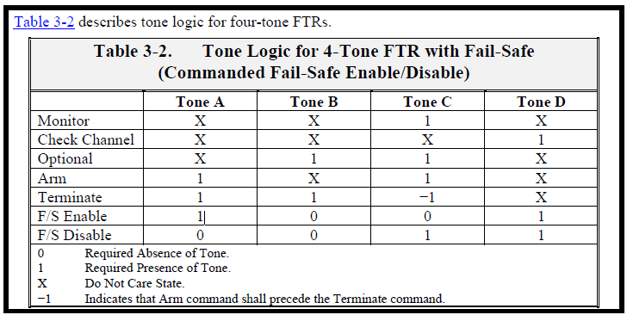

 | h. Command Termination Interface. A fail-safe system shall not interfere with or inhibit a commanded or an autonomous termination.
 |  | 3.5.3 Autonomous Flight Termination System (AFTS).
 |  |  | a. The AFTS shall only replace the command terminate system if specific approval is granted for each mission, vehicle, and range.
 | 1. An AFTS uses on-board decision-making capability to terminate a mission when vehicle performance violates predetermined parameters
 | 2. The AFTS may supplement the existing command termination system.
 | 3. An AFTS includes all associated software, hardware, and subsystems, such as GPS receivers, GPS antennas, batteries, and INSs, used to make termination decision.
 |  |  | b. An AFTS shall terminate flight when a vehicle violates flight safety parameters, when the vehicle is performing erratically, or during breakup.
 |  |  | c. Tracking system and components needed to support the AFTS function shall meet both RCC 324 AND RCC 319 requirements.
 | 1. Where a loss of tracking system components represents only a mission assurance risk, the tailoring may be reduced for those requirements related to loss of data. Specific approval shall be granted for each unique application and the range user shall document risk acceptance of the lower reliability systems.
 | 2. Requirements associated with accuracy, data latency, sample rate, and quality indicators shall be tailored as critical to FTSs.
 | 3. Tracking systems used for the AFTS function shall not have single points of failure that would produce undetectable out-of-specification dynamic state data.
...
 | 4. Humidity Step
 | 5. High Temperature Step
 |  | a. During the next 30 minutes, increase the temperature to the upper qualification temperature and maintain the humidity at 95% RH.
 |  | b. Maintain the temperature and humidity conditions for 6 hours.
 |  | c. When the chamber and component stabilize, conduct another performance test.
 | 6. Ambient Temperature Step
 |  |  | a. During the next 8 hours, reduce the chamber temperature to ambient at a uniform rate while maintaining the humidity at 95% RH.
 |  |  | b. Maintain ambient temperature and humidity at 95% RH for 2 hours.
 |  |  | c. When the chamber and component stabilize, conduct another performance test.
 |  |  | d. Return the chamber to ambient humidity.
 | 7. Repeat the temperature/humidity/altitude test cycle described in steps 2-6 for three additional cycles for a total of four cycles. Figure 4‑8 displays the changes to temperature and pressure described in the steps of one test cycle.
 |  | 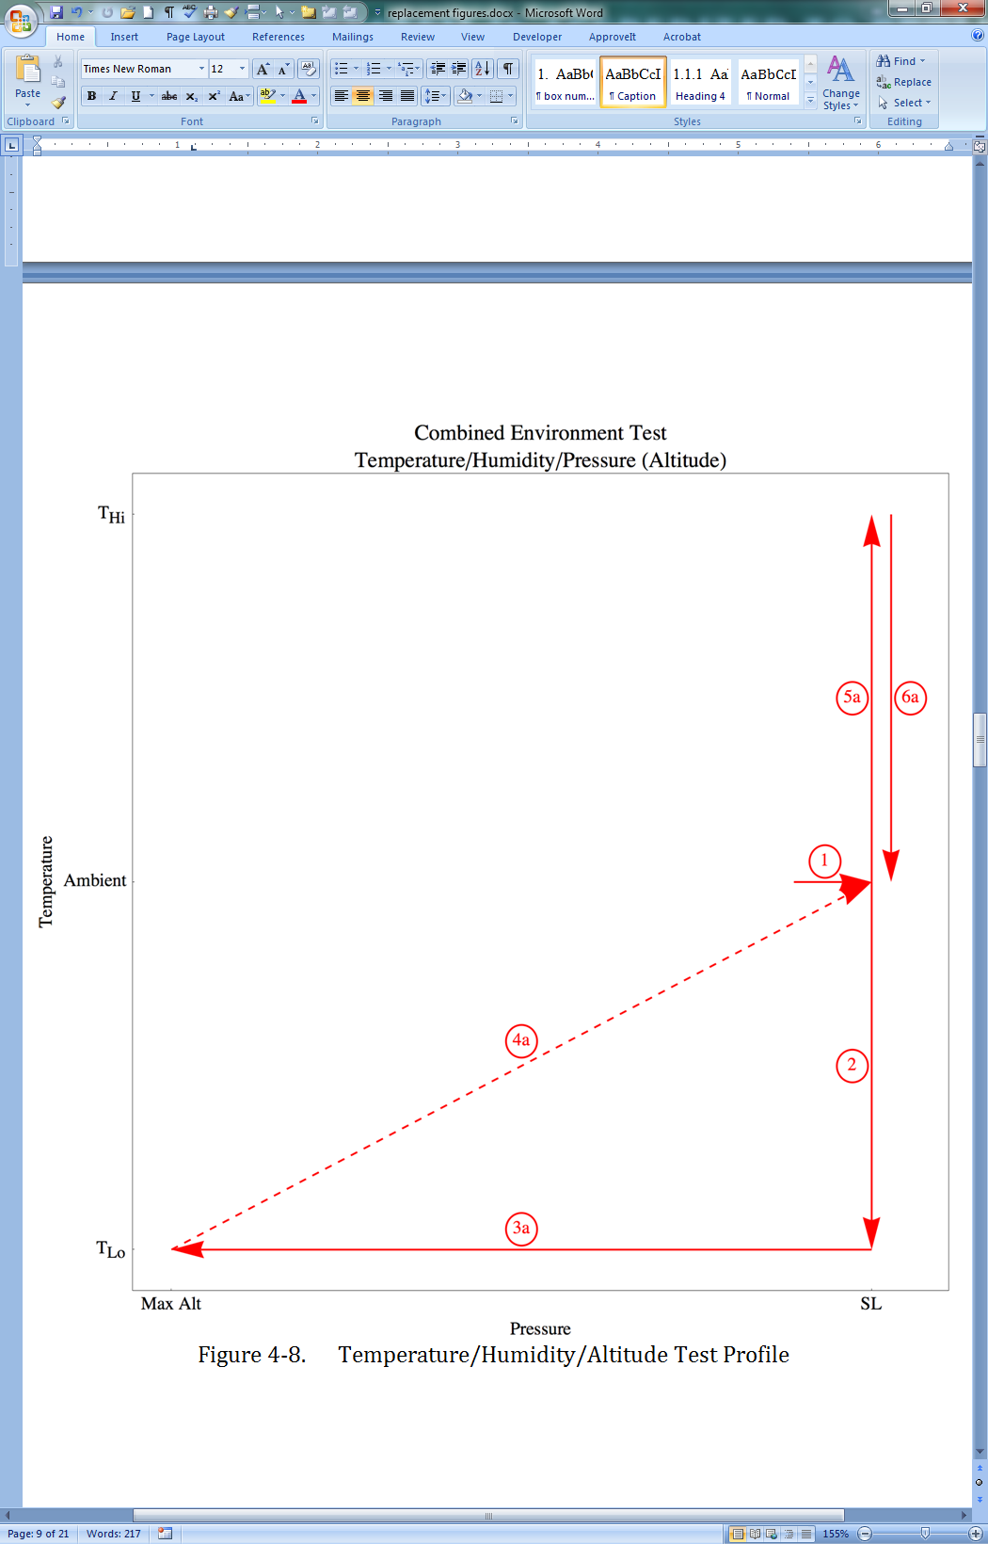

 |  | 4.15.7 Qualification Acceleration.
 |  |  | a. A qualification acceleration test or analysis of a component shall demonstrate that the component and each connection to any item that attaches to the component satisfy all their performance specifications when subjected to the acceptance acceleration environment plus a margin. The attached items shall include any isolator, grounding strap, bracket, ETS, or cable to the first tie-down. Any cable that interfaces with the component during any test shall be representative of the cable used for flight.
 | When using random vibration as baseline for enveloping acceleration, the analysis shall ensure that the statistical displacements and durations reflect acceleration environments. In general, 3 sigma random vibration peak levels are uncommon during a 180-second qualification test. For purposes of analytical approach, the 1 sigma, grms, or lower sigma peak levels shall be utilized.
 |  |  | b. A component shall be tested to demonstrate it meets all abbreviated performance verification tests required in the component test matrix and paragraph 4.10.5 during environmental exposure.
 |  |  | c. The qualification acceleration test environment shall be two times the maximum predicted acceleration environment and test tolerances.
 |  |  | d. The qualification acceleration duration shall be three times the MPE in each direction for each of the three orthogonal axes.
 |  |  | e. The acceleration analysis may be used in lieu of testing. The acceleration analysis shall demonstrate that the another qualification operating environmental test encompasses the qualification acceleration environment.
 | When using random vibration as baseline for enveloping acceleration, the analysis shall ensure that the statistical displacements and durations reflect acceleration environments. In general, 3 sigma random vibration peak levels are uncommon during a 180-second qualification test. For purposes of analytical approach, the 1 sigma, grms, or lower sigma peak levels shall be utilized.
 |  |  | f. Any test shall continuously monitor and record all performance and status-of-health parameters while the component is subjected to the qualification environment. The relevant parameters shall be sampled at a minimum rate of 1000 samples per second.
...
 |  |  | d. Testing shall be performed to the expected flight vibration spectrum. The minimum spectrum shall be from 20 Hz to 2 kHz.
 |  |  | a. Perform a single test that envelopes 3 times the acceptance test duration.
 |  |  | b. Two tests may be performed that separate flight and workmanship levels.
 |  |  | (1) The duration for the first test shall be 3 times the MPE
 |  |  | (2) The duration for the second test shall be 3 times the acceptance test duration. Acceptance and qualification testing shall be performed using the same methodology.
 |  |  | (3) The total duration of these tests shall add up to a minimum of three minutes per axis.
 |  |  | f. Tests shall be performed in all three perpendicular axes.
 |  |  | g. Acceptance and qualification test methodologies shall be identical except for levels and durations.
 |  |  | h. If there is insufficient time to complete all performance tests within the required qualification test time, the qualification vibration environment may be reduced to the acceptance test level at the end of qualification random vibration. The remaining performance tests may be completed at the acceptance test level.
 |  |  | NOTE: Range Safety will determine which tests will be run at the lower vibration levels.
 |  |  | i. Components mounted on isolators (soft-mount) shall also be tested as follows (see Figure 4‑10).
 |  |  | 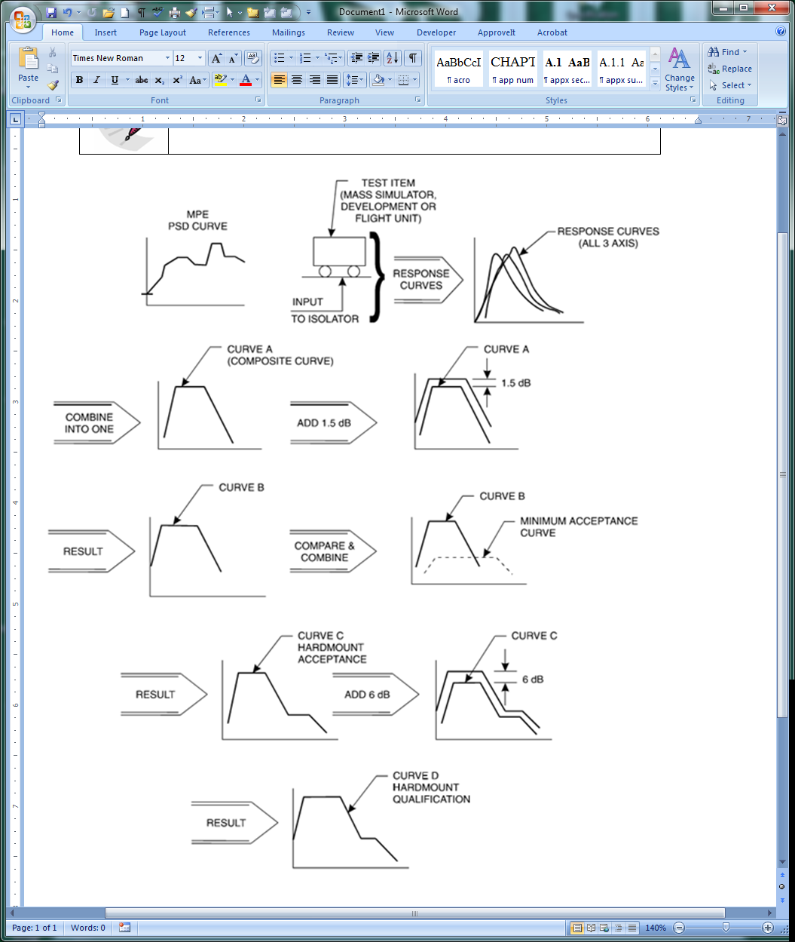
 |  |  | 4-10 Procedure for Hardmount Acceptance and Qualification of Components on Vibration Isolators
 |  |  | NOTE: Figure 4‑10:
 |  |  | 1. The first row above depicts the method by which the isolated response level at the component is determined and is referred to as a characterization test (Subsection 4.36.4).
 |  |  | 2. The second through fifth rows above depict the process by which the hardmount acceptance and qualification levels are established.
 |  |  | (1) The entire flight-configured isolated system shall demonstrate it satisfies all its performance requirements when subjected to the qualification test environment.
 |  |  | 1. The flight-configured isolated system includes the flight isolators, brackets, component under test, and attaching hardware (e.g., electrical cables, RF cables, and ETLs) attached to the worst-case length tie-down point.
 |  |  | 2. Qualification of the isolator system may be performed with a component mass simulator (non-flight hardware) as long as it includes all attaching hardware in a flight configuration.
 |  |  | 3. The flight-configured isolator system shall be qualified to ensure:
 |  |  | a. isolators can withstand qualification random vibration environments;
 |  |  | b. identifies isolator-induced displacements and rocking modes that create new vibration modes;
...
 |  | 4.29.8 Insulation Resistance. An insulation resistance test shall measure mutually insulated pin-to-case points using maximum operating voltage plus a margin. The test shall demonstrate that the internal wiring and other insulation material are not damaged.
 | 3. The insulation resistance between all insulated parts shall be greater than 2 MΩ.
 |  | 4.29.9 Bridgewire Resistance. An bridgewire resistance test shall be performed to demonstrate that the low voltage initiator meets its performance requirements.
 | 1. The measurement error shall be less than 2%.
 | 2. Apply a maximum current of 10% of the statistical no-fire current or 10 mA, whichever is less, and measure the bridgewire resistance.
 |  | 4.29.10 Electrostatic Discharge An ESD test shall demonstrate that an LVI can withstand an ESD that it could experience from contact with personnel or conductive surfaces without firing and still satisfy all of its performance requirements. Note: Some ordnance manufacturers have argued against performing this test on all units due to the potential for causing some level of damage to the units. While the potential for damage is acknowledged, the focus of this test is on personnel safety. The fact that qualification units are able to function properly after exposure to this discharge argues that the units should be sufficiently robust to withstand this test without being damaged to the point of being inoperable.
 | The test shall subject the LVI to the greater of the following:
 |  | 1. A 25k-volt, 500-picofarad pin-to-pin discharge through a 5k-ohm resistor and a 25k-volt, 500-picofarad pin-to-case discharge with no resistor
 |  | 2. The maximum predicted pin-to-pin and pin-to-case electrostatic discharges. See Figure 4-11 for the test setup.

 | Figure 4-11. Static discharge test.
 | 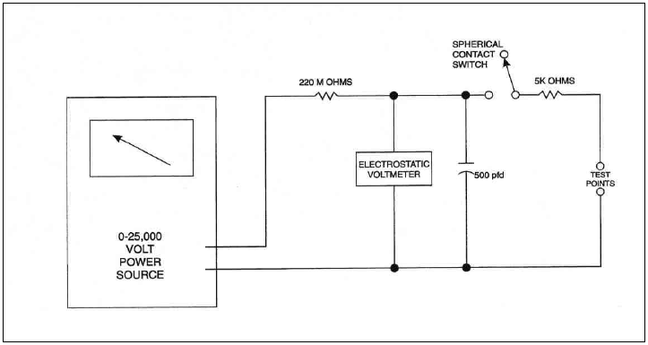
 |  | 4.29.11 Firing Tests.
 |  |  | a. General. Each firing test of an S&A device, LVI, rotor lead, or booster charge shall satisfy all of the following:
 |  |  |  | (1) The test shall demonstrate the initiation and transfer of all ordnance charges. For an S&A device that has more than one internal LVI, each firing test shall also demonstrate that the initiation of one internal LVI does not adversely affect the performance of any other internal LVI.
 |  |  |  | (2) For a low voltage initiator not installed internally within an S&A, testing shall demonstrate that the initiator body does not fragment when fired.
 |  |  |  | (3) Before initiation, each component sample shall experience the required temperature for enough time to achieve thermal equilibrium.
 |  |  |  | (4) Each low voltage initiator test shall measure ordnance output using a measuring device, such as a swell cap or dent block, to demonstrate that the output satisfies all its performance specifications.
 | 1.Gas producing LVIs shall be fired in a closed bomb. The following parameters shall be measured:
 |  | a. Time from application of current to bridgewire burnout.
 |  | b. Time from application of current to first indication of pressure.
 |  | c. Time from first indication of pressure to peak pressure.
...

APPENDIX B
...
 |  | Electronic Piece-Part Procurement Requirements
 |  | B. 1 Piece-Part Program Plan
 |  | A range user shall describe compliance for each applicable FTS piece-parts program plan. All electronic piece-parts used in an FTS shall successfully undergo lot qualification testing, LATs, and lot DPA IAW the range user piece-parts program plan. Any failure or out-of-family test results and a description of any corrective actions shall be submitted for review and approval before the part, including any part from the same production lot, is installed in an FTS component. A range user piece-parts program shall include a monthly review of information disseminated by the Government/Industry Data Exchange Program (GIDEP) and shall account for any GIDEP alerts related to the quality and reliability of piece-parts used in an FTS component. The GIDEP alert information is available at the GIDEP Internet web page.[1]
 |  | Note: There are three electronic piece-part categories suitable for FTS application. The three categories are:
 | 1. US Military Quality piece-parts;
 | 2. Custom Non-military piece-parts;
 | 3. Aerospace Qualified Electronics Components (AQEC) and Automotive Electronics Council (AEC) Grade 0 or 1 piece-parts or Equivalent.
 | The following sections apply to the use of piece-parts that are flight safety-critical. Piece-parts that cannot have a negative impact on the flight safety mission, as shown in the FMECA or Fault Tree, are not required to meet the selection and test requirements identified here as long as they demonstrate the ability to survive the qualification environment with their host unit. All piece-parts (safety-critical and non-safety-critical) shall meet the packaging and storage requirements as specified in their respective categories. Figure B‑1 provides an overview of piece-part screening for the three categories.

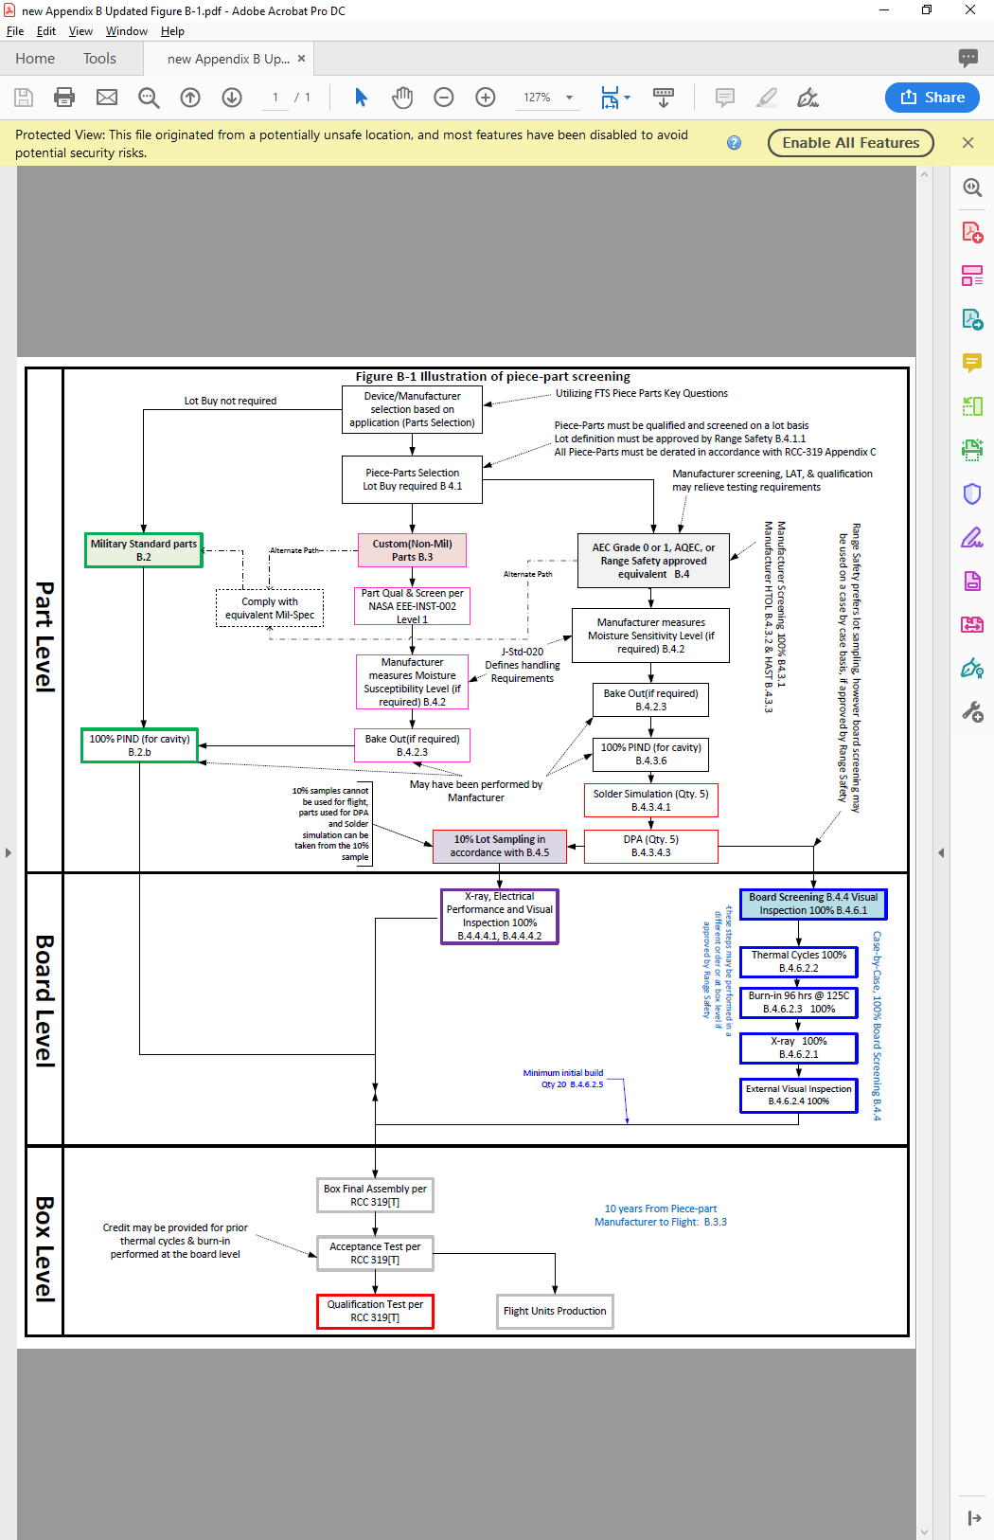

 |  | Figure B‑1.Illustration of Piece-Part Screening

 | Range Safety will determine the acceptability of commercial-grade parts based on data presented by the range user along with the following criteria as a guide.
 | 1. What flight heritage do the parts being considered have?
 | 2. Is it possible to audit the device supplier, should you need to do so?
 | 3. Do you have access to data regarding failure mechanisms in the parts being considered and the results of the stress tests that were performed to quality the parts? Do the results satisfy your mission requirements?
 | 4. Does an assessment of the supplier’s existing, qualified device data demonstrate that the similar device you are considering will satisfy mission requirements?
 | 5. What data regarding burn-in, screening, test conditions, and pass/fail criteria for the parts being considered did you review?
 | 6. Have you and the supplier agreed upon a category or level of change that triggers notification to you, the user?
 | 7. Do you include either the International Automotive Task Force’s IATF 16949[1], the AEC’s AEC Q100[2], Q101[3], or Q200[4], or the Automotive Industry Action Group’s production part approval process (PPAP) requirement in your supply contracts?
...
 |  |  | Figure B‑4. Filters

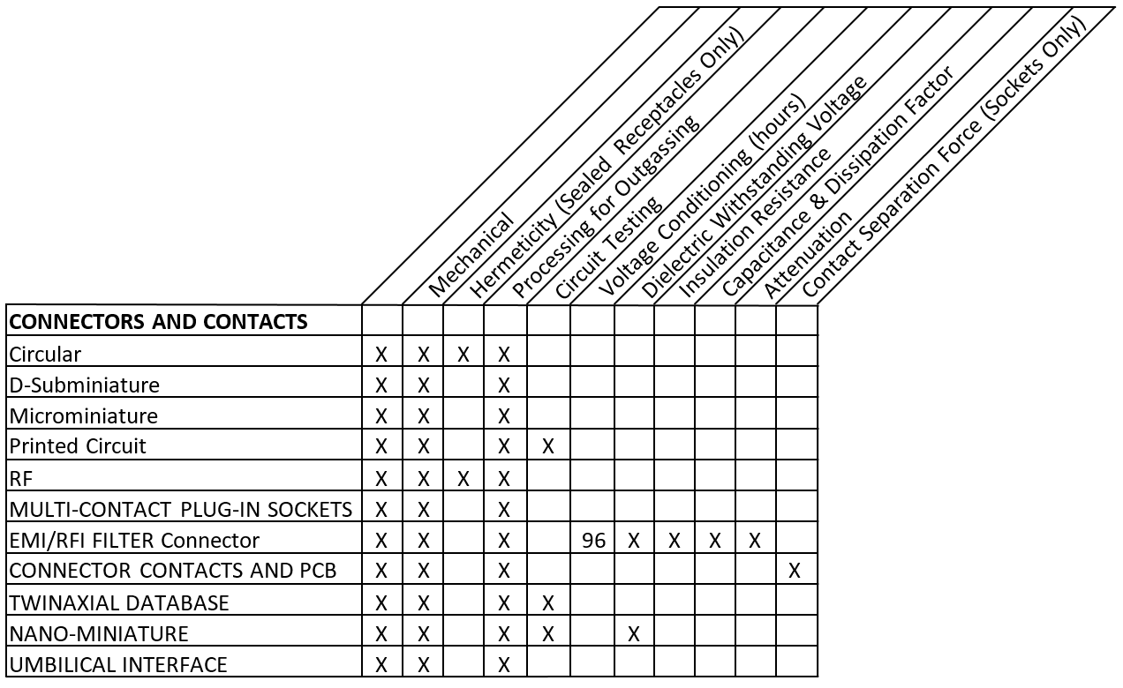

 |  |  | Figure B‑5. Connectors and Contacts

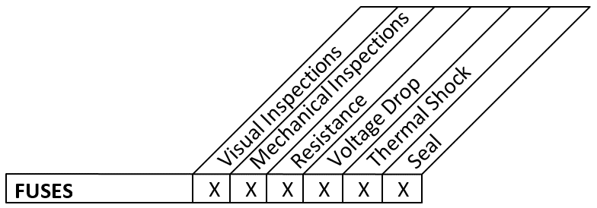

 |  |  | Figure B‑6. Fuses
...
 |  |  | Figure B‑12. | Relays

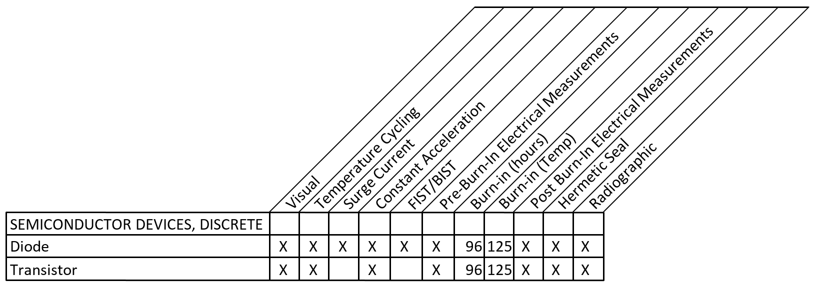

 |  |  | Figure B‑13. | Semiconductor Devices, Discrete

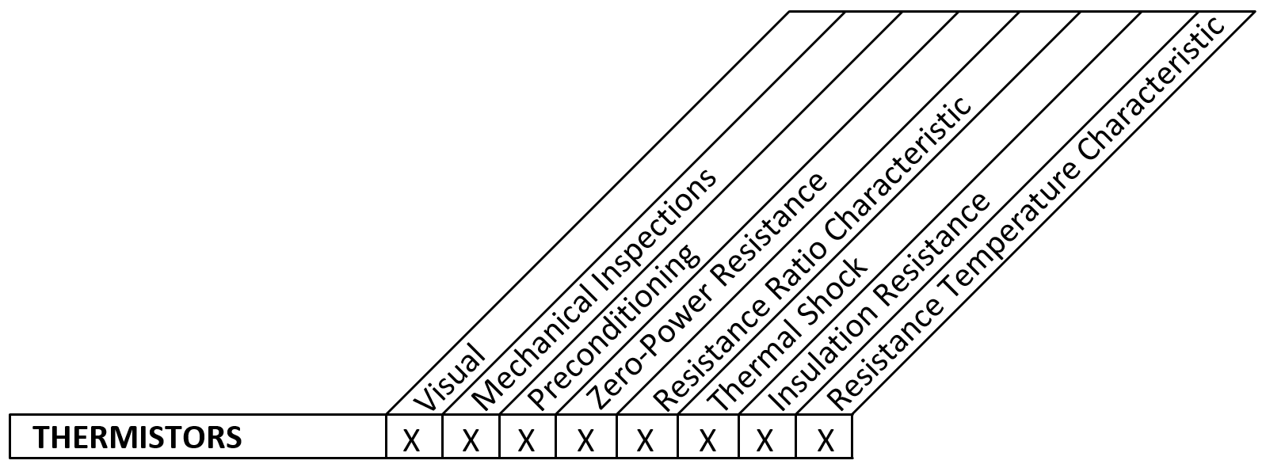

 |  |  | Figure B‑14. | Thermistors

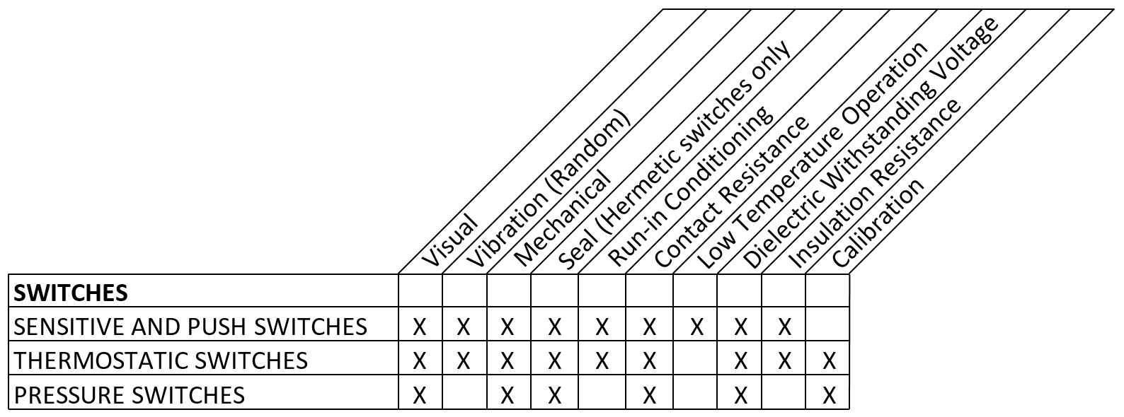

 |  |  | Figure B 15. Switches

 |  |  | Figure B‑16. | Crystal Oscillators

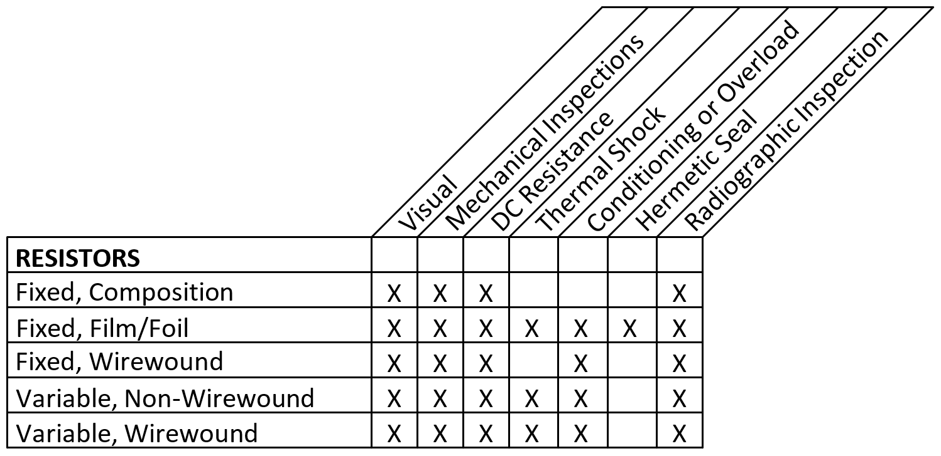

 |  |  | Figure B‑17. | Resistores

Table B‑2. Test Definitions and Methods
Test |  |  | Method
Visual |  |  | Visual and sample-based mechanical inspection to be performed to requirements of nearest military specification
Thermal Shock |  |  | MIL-STD-202G*, Method 107, Condition B, min. rated temp. to max. rated temp. (when specified in the product specification/ data sheet, the min. and max. “storage” temp. shall be used in lieu of the specified operating temp.)
Burn-In |  |  | MIL-STD-883K*, Method 1015, condition A or B. Hours, minimum depending on the burn-in temperature.
...

